Sheet1
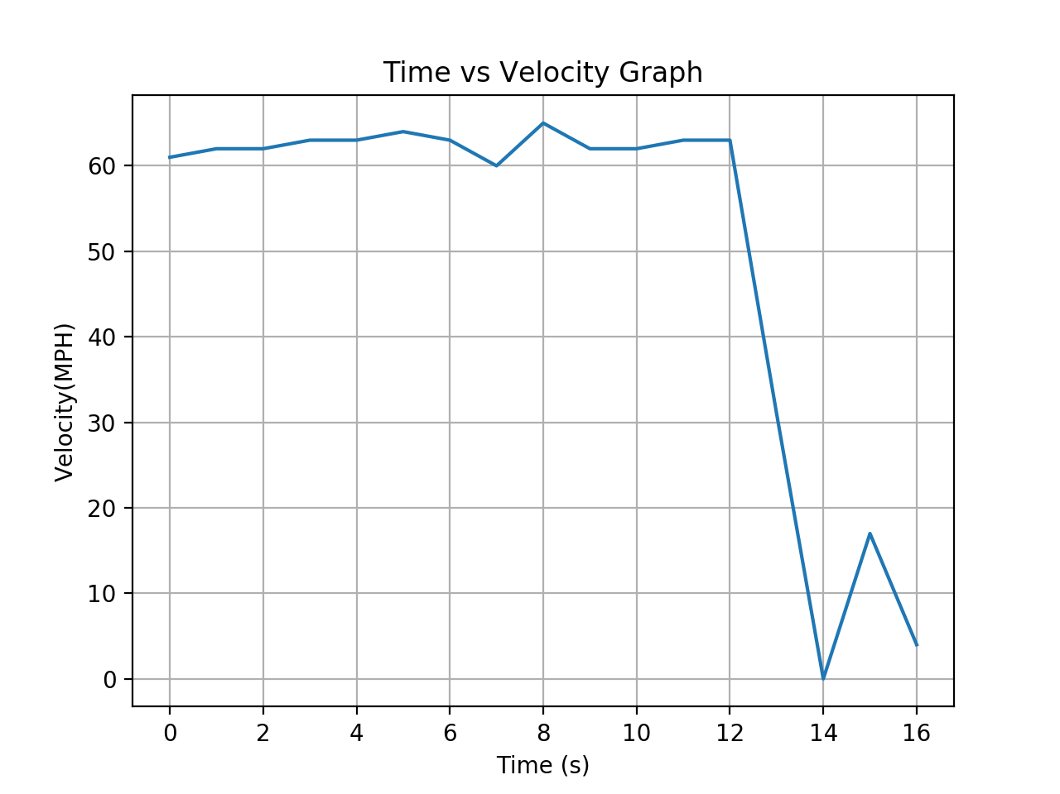
DATA: |  | TIME(MIN) | VELOCITY(MPH) | DATA TYPE: | DATA:
Initial Reading: | 35457 | 1 | 62 | Actual Distance(MILES): | 14 | <-Question 1
Final Reading: | 35471 | 2 | 62 | Average Velocity(MPH): | 52.5 | <-Question 2
Total Time(S): | 960 | 3 | 63 |  | No there was never a time this is due to average time being signifcantly lowered due to the last 3 minutes in which there was a mass drop in speed. This would lower the average so much that it is not even close to the fairly consistent freeway level speeds. | <-Question 3
 |  | 4 | 63 |  | It represents the total distance traveled this is due to it being the ratio of (Speed/time) which the time component cancels in both cases leaving with only distance after you sum them all together. | <-Question 4
 |  | 5 | 64 |  | 8.154761905 | <-Question 5
 |  | 6 | 63 | Total Distance(APPROX) | 12.85833333 | ----------------------- | >
 |  | 7 | 60 | Average Velocity(APPROX) | 48.21875 | Graphs
 |  | 8 | 65 |  |  | ----------------------- | >
 |  | 9 | 62
 |  | 10 | 62
 |  | 11 | 63
 |  | 12 | 63
 |  | 13 | 31
 |  | 14 | 0
 |  | 15 | 17
 |  | 16 | 4

#Note For the | bases I | converted from | minutes to | hours
Area | Under | The | Curve | :
Segment #: | Domain: | Formula: | Base 1(MPH): | Base 2(MPH): | Height(Mins): | Height(Hours): | Result(Miles^2):
1 | [0,1] | 1/2(b1+b2)*h | 61 | 62 | 1 | 0.01666666667 | 1.025
2 | [1,2] | 1/2(b1+b2)*h | 62 | 62 | 1 | 0.01666666667 | 1.033333333
3 | [2,3] | 1/2(b1+b2)*h | 62 | 62 | 1 | 0.01666666667 | 1.033333333
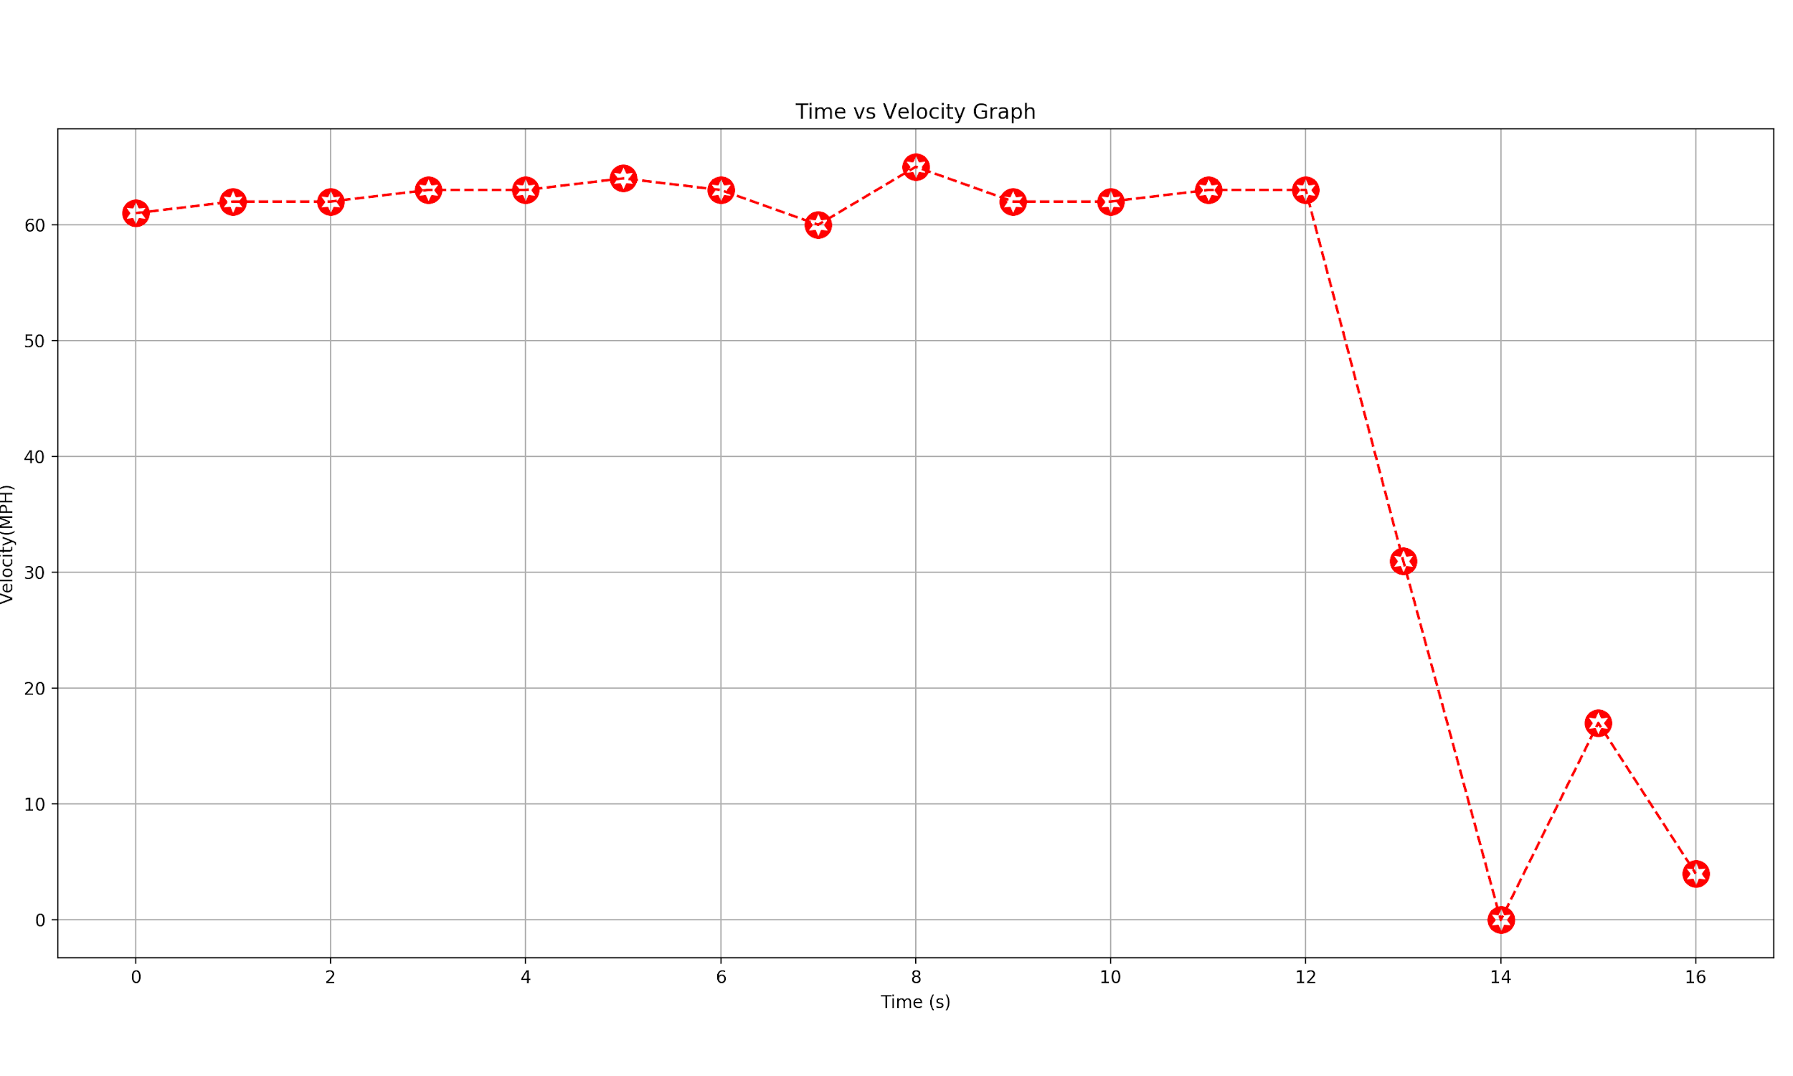
4 | [3,4] | 1/2(b1+b2)*h | 62 | 63 | 1 | 0.01666666667 | 1.041666667
5 | [5,6] | 1/2(b1+b2)*h | 63 | 64 | 1 | 0.01666666667 | 1.058333333
6 | [6,7] | 1/2(b1+b2)*h | 64 | 63 | 1 | 0.01666666667 | 1.058333333
7 | [7,8] | 1/2(b1+b2)*h | 63 | 60 | 1 | 0.01666666667 | 1.025
8 | [8,9] | 1/2(b1+b2)*h | 60 | 65 | 1 | 0.01666666667 | 1.041666667
9 | [9,10] | 1/2(b1+b2)*h | 65 | 62 | 1 | 0.01666666667 | 1.058333333
10 | [10,11] | 1/2(b1+b2)*h | 62 | 63 | 1 | 0.01666666667 | 1.041666667
11 | [11,12] | 1/2(b1+b2)*h | 63 | 63 | 1 | 0.01666666667 | 1.05
12 | [12,13] | 1/2(b1+b2)*h | 63 | 31 | 1 | 0.01666666667 | 0.7833333333
13 | [13,14] | 1/2(b1+b2)*h | 31 | 0 | 1 | 0.01666666667 | 0.2583333333
14 | [14,15] | 1/2(b1+b2)*h | 0 | 17 | 1 | 0.01666666667 | 0.1416666667
15 | [15,16] | 1/2(b1+b2)*h | 17 | 4 | 1 | 0.01666666667 | 0.175
16 | [16,17] | 1/2(b1+b2)*h | 4 | 0 | 1 | 0.01666666667 | 0.03333333333

